Sheet1
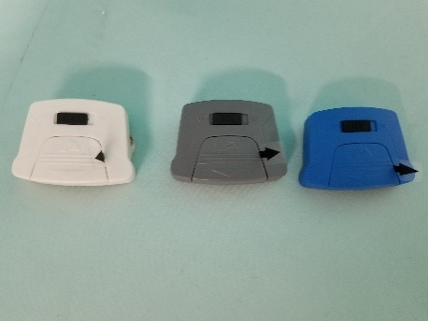
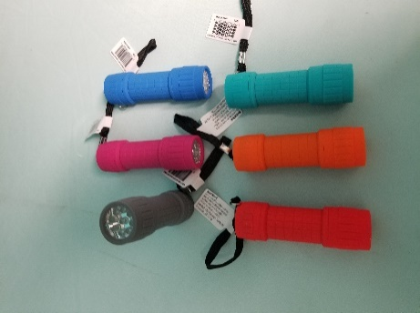
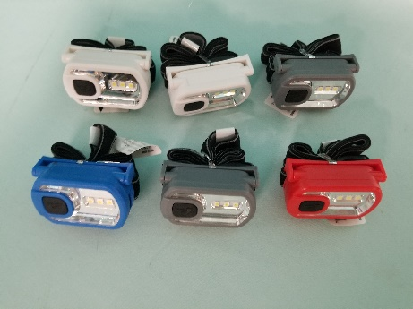
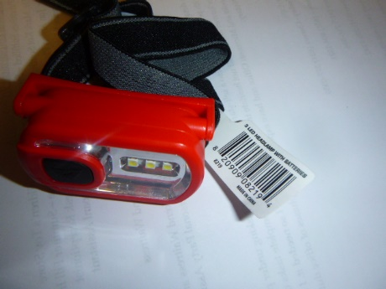
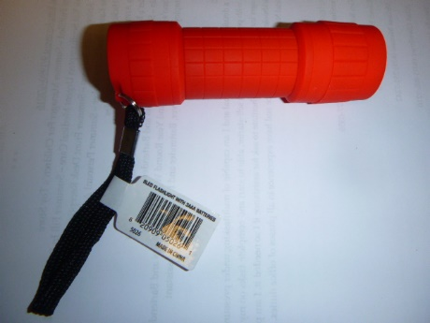
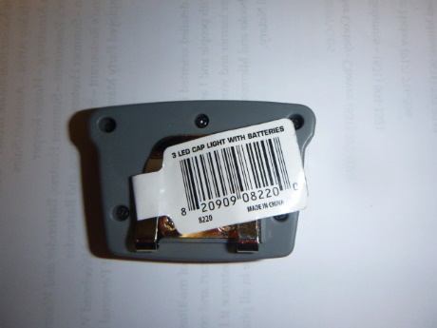
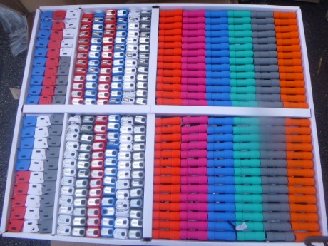
 | WM.Com Flashlights
 | 3 Styles
 | Lots of Colors
 | FOB FL

DESCRIPTION |  | UNITS
Standard Lights |  | 14,112
Cap Lights |  | 7,560
Headlamp |  | 8,736
 |  | 30,408

